UI Mockups
User Story Card - UI Mockup | NOTE: Baseline taken from test env 3/31/2020

1. 360 Direct Bill View screen
Proposed UI | Baseline (OOTB view)

 | CPBuildingPopup.pcf
2. permission 360view_grg
Proposed UI | Baseline (OOTB view)
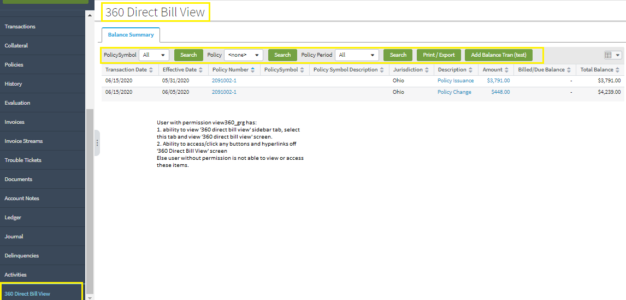
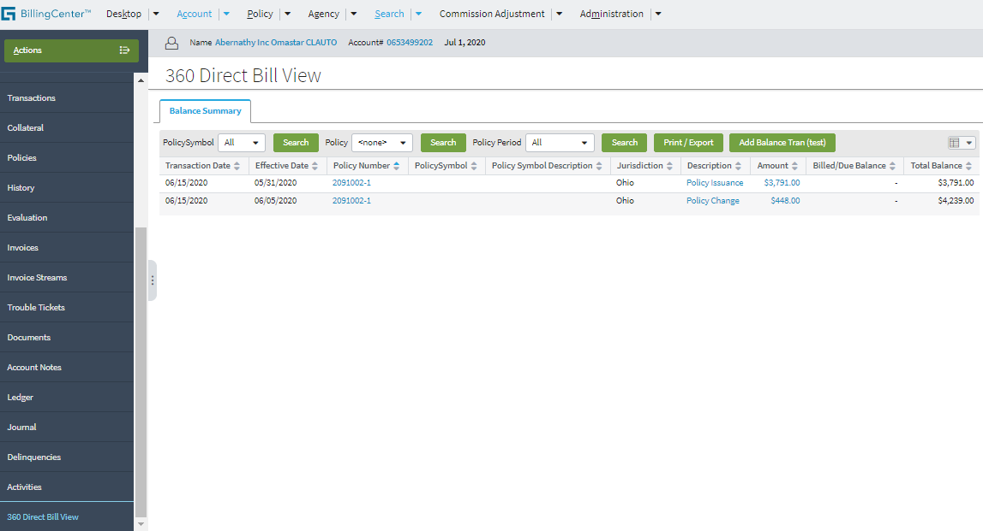
Account: | Account:

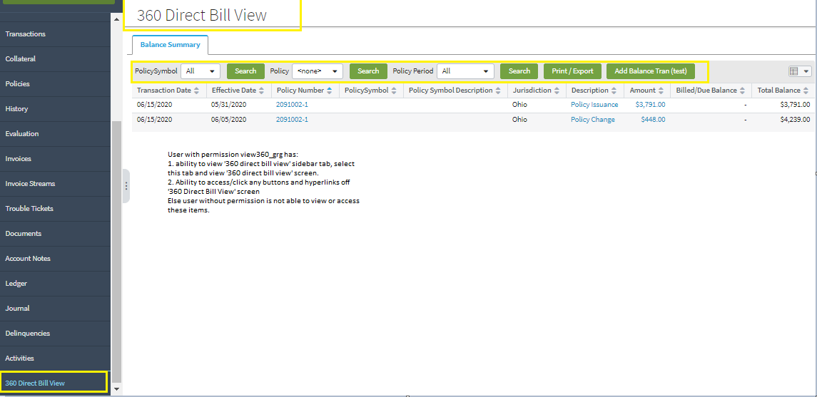

Policy: | Policy:

Typelists
User Story Card - Typelists
Track any new typelists and the associated typecodes included in the user story
Instructions: Complete this detail for any fields in the UI Fields tab that have Typelists.
For modified Typelists make sure to validate the full list of values in the Data Dictionary
*The order of column G - "Typelist Values", is the order the Typelist needs to display on the UI
Functional Details
Req # | Release | JIRA # | New, Modified | Name of Typelist | Typelist Values (Display name and Order) | Typelist Description | HIDE from UI | Notes/Comments | Conditions | LOB
Not Applicable

